3 Init Display
C-2
C-1
3. Initial display (screen layout)
. Initial display (screen layout) | 3. View All Report

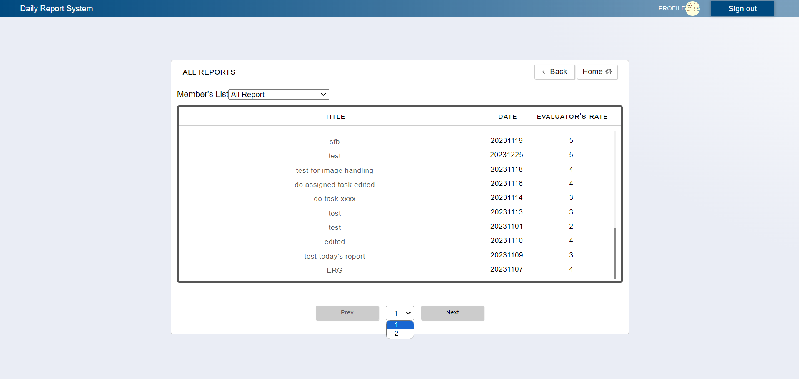

C-3
C-4
B-1

B-3
B-4
B-2

C-7

C-5
C-6

 | No | Area | Item Name | Notes | Source table fields
 | 1 | B-1 | Member Name | list | M_USER_INFORMATION.first_name, M_USER_INFORMATION.family_name
 | 2 | B-2 | Title | text | T_DAILY_REPORT.target
 | 3 | B-3 | Date | text | T_DAILY_REPORT.report_date
 | 4 | B-4 | Rating | date | T_DAILY_REPORT.report_date
 | 5 | C-1 | Sign out | Logout from Web Application | ***
 | 6 | C-2 | Profile | Move to User Profile Page | ***
 | 7 | C-3 | Back | Move to Leader Top Page | ***
 | 8 | C-4 | Home | Move to Leader Top Page | ***
 | 9 | C-5 | PREV | Move to Previous Report page, disabled only when it reached the first and only page | ***
 | 10 | C-6 | NEXT | Move to Nex Report Page, disabled only when it reached the last page and when there's only 1 page report | ***
 | 11 | C-7 | Page Selector | Shows number of pages available | calculated result based on the number of reports from a query in T_DAILY_REPORT

